Fundraiser Price Sheet

 |  |  |  |  | Fall Plant Fundraiser
 |  |  |  |  | 2023 Price Sheet

 |  |  |  | Orders must be placed 10 days prior to date needed

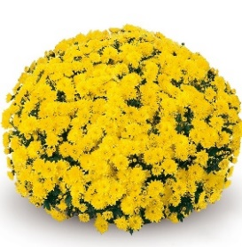
 | Mums available 9/5 through 10/8
 | Mum colors: Yellow, Red/Burgundy, Bronze/Orange, & Pink/Purple
 | 8" Potted Mum |  |  |  | $8
 |  | Approximately: 14"-16" wide
 |  |  |  | 10"-14" tall
 |  | Suggested resale price: $11 - $13

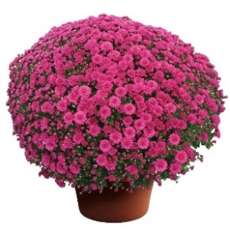
 | 10" Potted Mum |  |  |  | $16
 |  | Approximately: 16"-20" wide
 |  |  |  | 16"-18" tall
 |  | Suggested resale price: $22 - $25

 |  | Pansies available 9/23 through 10/31
 |  | Pansy colors: Yellow, Purple, Blue & White
 | 6.5" Pansies |  |  |  | $4.50
 |  | Planting in the fall will give you color all winter and another flush of color
 |  |  | in early spring
 |  | Suggested resale price: $7 - $9

 | 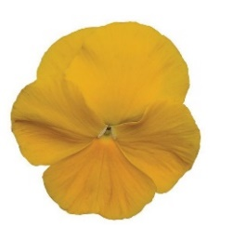 |  |  | 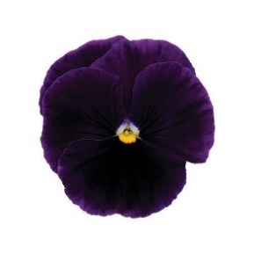 | 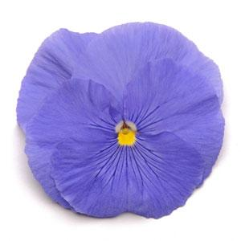 | 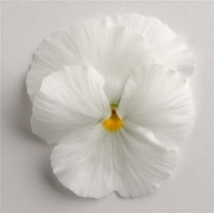

 |  |  | Pick up & Delivery days Wednesdays through Saturdays
 |  |  | Delivery may be available, check with your local Meadows Farms

Contact your local Meadows Farms to place your order or
Cindy Peer 703.327.3940 x62227 or |  |  |  |  |  | cpeer@meadowsfarms.com

